Sheet1
Bench
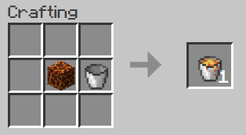 | 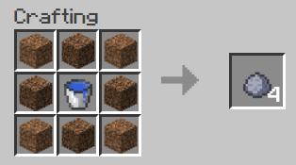 | 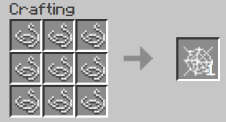 | 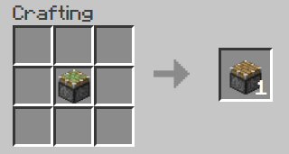
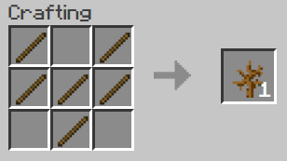 | 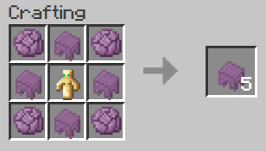 | 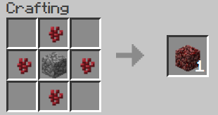 | 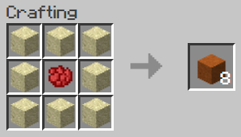
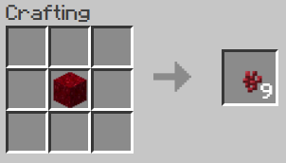 | 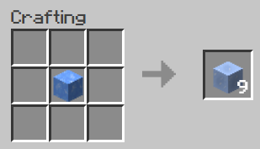 | 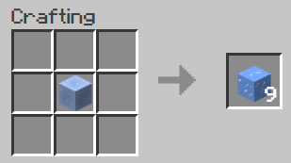 | 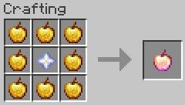
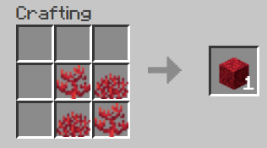 color variants + dead | 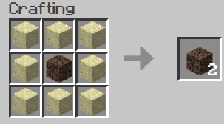 | 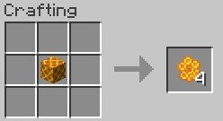 | 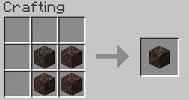

Blast Furnace
Netherrack | 50 ticks | nether brick
Clay | 50 ticks | brick
iron gear | 100 ticks | iron ingot
gold gear | 100 ticks | gold ingot
diamond gear | 100 ticks | diamond
netherite gear | 100 ticks | netherite_scrap

Furnace
Basalt → blackstone

Stonecutter
Stone -> cobblestone -> gravel -> sand

Other
Netherquartz drops like redstone
Composter at level 8 drops podzol when broken

Undye
Colored wool + white dye | white wool
Colored glass x8 + water | glass
Colored terracota + water | terracota x8

